Utilization and Queue Time
Kingman's Approximation
 |  |  | Exercises:

Calculations on the distributions: |  |  | 1. Double the mean service time. What happens to wait time?
mean service time | 5 | any time unit, minutes, hours, days, weeks, etc. | 2. Set the service time variation to 0, play with service time variation. Double and halve.
arrival time variation | 0.500 | higher is more variation. This is the SD/Mean of arrival rates. Start with 0.1-1.0 to experiment. | 3. Which variability matters more, arrival rate or service time?
service time variation | 0.500 | higher is more variation. This is the SD/mean of service times. Start with 0.1 to 1 to experiment.

Results

Utilization | Wait time
5% | 0.07
10% | 0.14
15% | 0.22
20% | 0.31
25% | 0.42
30% | 0.54
35% | 0.67
40% | 0.83
45% | 1.02
50% | 1.25
55% | 1.53
60% | 1.87
65% | 2.32
70% | 2.92
75% | 3.75
80% | 5.00
85% | 7.08
90% | 11.25
95% | 23.75

References
https://www.cambridge.org/core/journals/mathematical-proceedings-of-the-cambridge-philosophical-society/article/div-classtitlethe-single-server-queue-in-heavy-trafficdiv/81C55BC00A68FE6D5385638AA0B0AF37
https://en.wikipedia.org/wiki/M/M/1_queue
http://www.invistics.com/the-king-of-manufacturing-equations/

Wait Time Estimator
Disclaimer: This is a work in progress. Please check this operates as you expect. It builds random numbers the best it can based on the distribution and values you define. Its not perfect, but it is directionally correct as a teaching tool.
Input Parameters:
Arrival time: | Low | 1 | High | 5 | Shape | Uniform
Service time: | Low | 1 | High | 5 | Shape | Uniform

Calculations on the distributions:
mean service time | 2.995 | any time unit, minutes, hours, days, weeks, etc.
arrival variation | 0.397 | higher is more variation. This is the SD/Mean of arrival rates.
service time variation | 0.389 | higher is more variation. This is the SD/mean of service times.

Results

Utilization | Wait time
0.05 | 0.02
0.1 | 0.05
0.15 | 0.08
0.2 | 0.12
0.25 | 0.15
0.3 | 0.20
0.35 | 0.25
0.4 | 0.31
0.45 | 0.38
0.5 | 0.46
0.55 | 0.57
0.6 | 0.69
0.65 | 0.86
0.7 | 1.08
0.75 | 1.39
0.8 | 1.85
0.85 | 2.62
0.9 | 4.17
0.95 | 8.79

https://en.wikipedia.org/wiki/Kingman's_formula
where τ is the mean service time (i.e. μ = 1/τ is the service rate), λ is the mean arrival rate, ρ = λ/μ is the utilization, ca is the coefficient of variation for arrivals (that is the standard deviation of arrival times divided by the mean arrival time) and cs is the coefficient of variation for service times.

v=(p/(1-p))x((ca^2+cs^2)/2)xr

Kingman's Paper
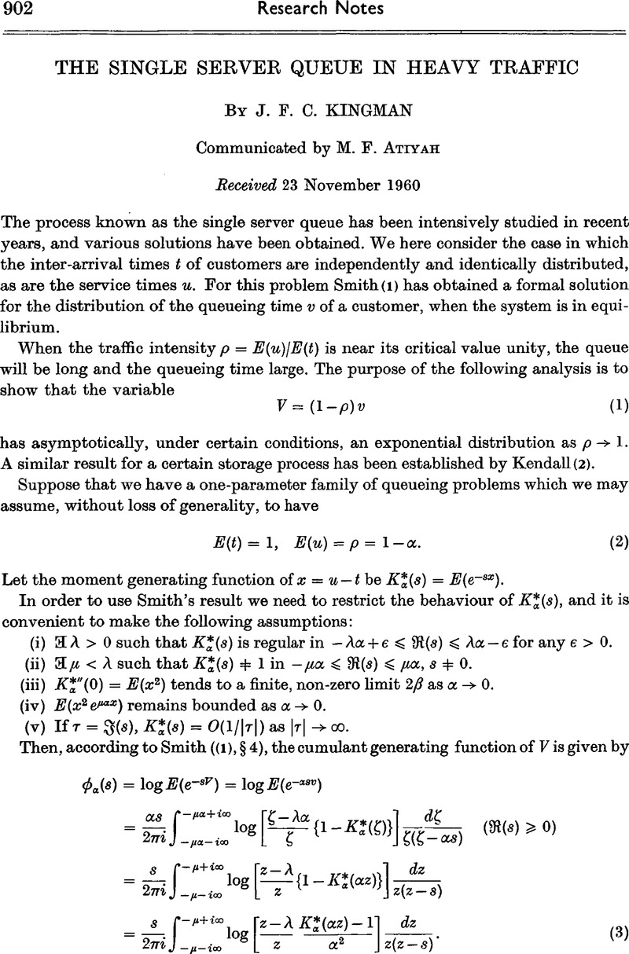

https://www.cambridge.org/core/journals/mathematical-proceedings-of-the-cambridge-philosophical-society/article/div-classtitlethe-single-server-queue-in-heavy-trafficdiv/81C55BC00A68FE6D5385638AA0B0AF37
https://en.wikipedia.org/wiki/M/M/1_queue

